RICOH
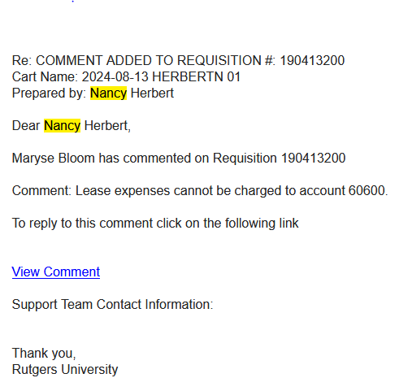
For RICOH lease, need to use 69700 - Lease Expense Equipment.

